Sheet1
 |  | Document No. | Issue No. | Issue Date |  | Review and Replace Date |  | Authorised By
 |  | GFF328MC | 2 | 05.10.2021 |  | 28.12.2021 |  | Magda Shah
 |  | Document Title | ORIENTAL PARTY BOX 650G

Document amendments reason for change |  | Film Updated | Page 1 of 1 |  | Previous Issue Date |  | 05.10.2021 | Uncontrolled copy unless signed original

CORIB-B4TEB | BOOTHS - AYR PARTY BOX |  |  | ORIENTAL PARTY BOX 650G | CHILLED
PRODUCT 1 |  |  |  |  | PRODUCT 2
 |  |  |  |  | 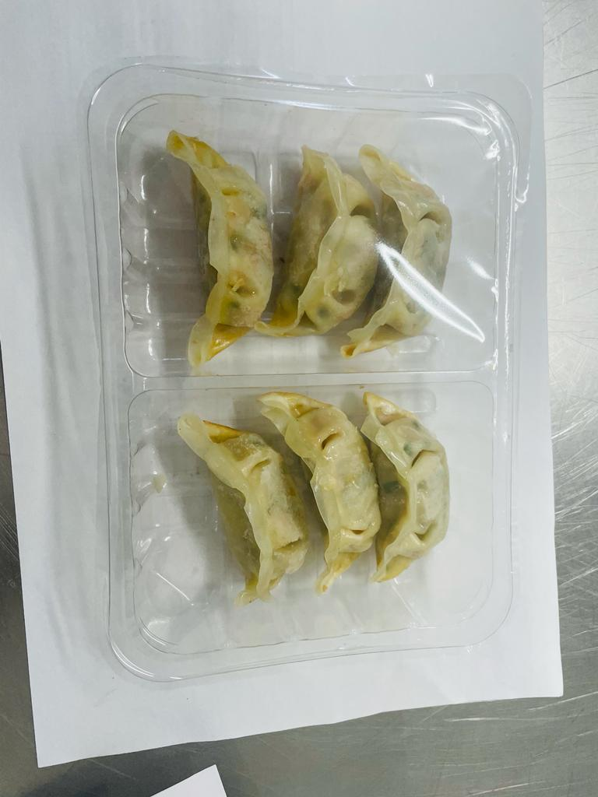

8 x DUCK PARCELS (GFF282R) 20g: (160g) |  |  |  |  | 6 x VEGETABLE GYOZA (RMJAP001-01) 20g: (120g)
Tray: SK4 - Plain Clear (PKESS001-07) |  |  |  |  | Tray: SK4 - Split Clear (PKESS001-06)
Film: ME300AFV2, 300mmx 1000m (PKPRO001-16) |  |  |  |  | Film: ME300AFV2, 300mmx 1000m (PKPRO001-16)
Allergens: Milk, Soya, Sesame, Wheat |  |  |  |  | Allergens: Soya, Sesame, Wheat
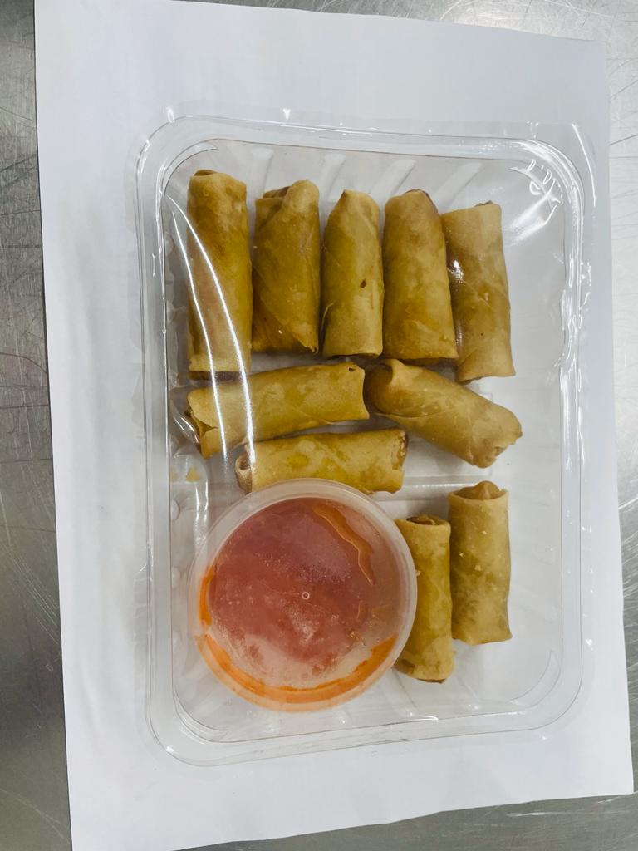
PRODUCT 3 |  |  |  |  | PRODUCT 4
Sweet Chilli Dip(GFF109R)
40g
KATSU CHICKEN BITES (GFF329R) 140g
 |  |  |  |  | 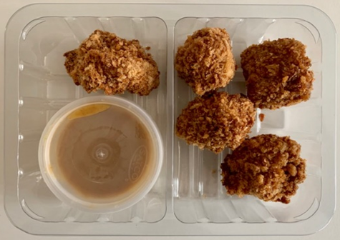
KATSU DIP (GFF330R) 40g

10 x Mini Vegetable Spring Rolls 15g
150g

10 x MINI VEGETABLE SPRING ROLLS & SWEET CHILLI DIP 190g |  |  |  |  | KATSU CHICKEN BITES & KATSU DIP 180g
Tray: SK4 - Plain Clear (PKESS001-07) | Satco 2oz Pots with Lids (PKJEN001-03) |  |  |  |  | Tray: SK4 - Split Clear (PKESS001-06) |Satco 2oz Pots with Lids (PKJEN001-03)
Film: ME300AFV2, 300mmx 1000m (PKPRO001-16) |  |  |  |  | Film: ME300AFV2, 300mmx 1000m (PKPRO001-16)
Allergens: Wheat |  |  |  |  | Allergens: wheat, soya, mustard

